EscTrendGrp
Species | Chinook
Stat | (All)

Sum of Spawners | Column Labels
 | ESC | Ind7 | Ind10 | Hatchery | Grand Total
Row Labels
1953 | 4950 | 8000 | 18500 | 10150 | 41600
1954 | 3855 | 6500 | 13825 | 8850 | 33030
1955 | 2700 | 7250 | 9200 | 8350 | 27500
1956 | 3625 | 7300 | 7525 | 15450 | 33900
1957 | 3750 | 7300 | 5750 | 11425 | 28225
1958 | 3700 | 7100 | 2350 | 16725 | 29875
1959 | 4475 | 3475 | 4100 | 8500 | 20550
1960 | 3800 | 3475 | 5990 | 9075 | 22340
1961 | 3375 | 2550 | 5650 | 9225 | 20800
1962 | 4925 | 2500 | 8050 | 9600 | 25075
1963 | 3975 | 4770 | 8175 | 10600 | 27520
1964 | 6065 | 3370 | 14700 | 19200 | 43335
1965 | 4365 | 895 | 9125 | 14900 | 29285
1966 | 5450 | 8850 | 9875 | 13050 | 37225
1967 | 4850 | 1250 | 6750 | 18000 | 30850
1968 | 6743 | 2395 | 3570 | 17150 | 29858
1969 | 4100 | 1800.001 | 4525 | 15300 | 25725.001
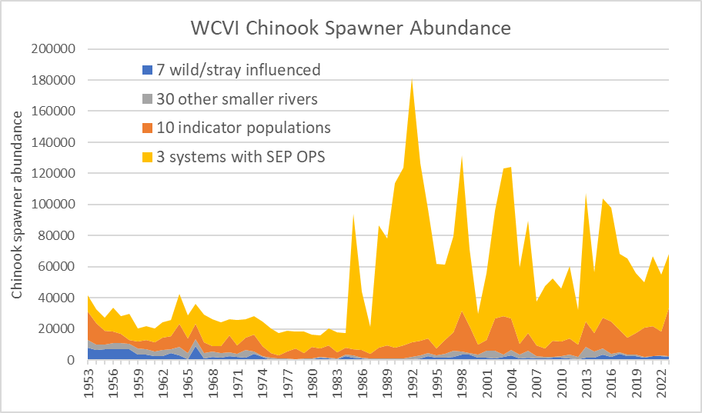
1970 | 4065 | 2525 | 11025 | 10450 | 28065
1971 | 2775 | 1925 | 5750 | 16000 | 26450
1972 | 5025 | 1575 | 8270 | 11700 | 26570
1973 | 5300 | 3925 | 10550 | 12275 | 32050
1974 | 982 | 2050 | 6275 | 15725 | 25032
1975 | 1815 | 175 | 2925 | 15950 | 20865
1976 | 1033 | 150 | 2200 | 14075 | 17458
1977 | 650 | 335 | 4710 | 13420 | 19115
1978 | 678 | 151 | 6735 | 10700 | 18264
1979 | 697 | 356 | 3855 | 13820 | 18728
1980 | 731 | 485 | 7590 | 7500 | 16306
1981 | 251 | 1775 | 5380 | 8820 | 16226
1982 | 593 | 1225 | 7585 | 10974 | 20377
1983 | 223 | 800 | 4124 | 12600 | 17747
1984 | 1458 | 2550 | 4452 | 9453 | 17913
1985 | 1412 | 1900 | 4101 | 87109 | 94522
1986 | 579 | 1240 | 4801 | 37516 | 44136
1987 | 544 | 733 | 3277 | 17190 | 21744
1988 | 1053 | 440 | 6951 | 78352 | 86796
1989 | 692 | 696 | 8334 | 68786 | 78508
1990 | 1622 | 260 | 7182 | 105764 | 114828
1991 | 1473 | 170 | 8254 | 114444 | 124341
1992 | 1705 | 760 | 9047 | 170149 | 181661
1993 | 1911 | 1343 | 9528 | 113786 | 126568
1994 | 2437 | 2452 | 9350 | 82604 | 96843
1995 | 1322 | 1734 | 4624 | 54390 | 62070
1996 | 2949 | 1565 | 9044 | 48549 | 62107
1997 | 4781 | 2144 | 12047 | 61601 | 80573
1998 | 4290 | 3556 | 26357 | 99891 | 134094
1999 | 1838 | 3387 | 17460 | 49378 | 72063
2000 | 2326 | 1498 | 6612 | 19554 | 29990
2001 | 5339 | 1734 | 6606 | 43205 | 56884
2002 | 5456 | 1188 | 20935 | 69128 | 96707
2003 | 1495 | 2097 | 24723 | 94982 | 123297
2004 | 3640 | 3194 | 20078 | 97315 | 124227
2005 | 2953 | 1024 | 7096 | 48646 | 59719
2006 | 4393 | 1467 | 11553 | 72297 | 89710
2007 | 2090 | 923 | 6835 | 28294 | 38142
2008 | 853 | 1241 | 5452 | 39855 | 47401
2009 | 474 | 1593 | 10220 | 40092 | 52379
2010 | 1630 | 1414 | 9518 | 33896 | 46458
2011 | 2472 | 1269 | 10053 | 46444 | 60238
2012 | 1531 | 874 | 7832 | 22205 | 32442
2013 | 7647 | 1749 | 16233 | 82760 | 108389
2014 | 4356 | 1654 | 11634 | 39365 | 57009
2015 | 3883 | 3583 | 20032 | 76563 | 104061
2016 | 1628 | 2349 | 20820 | 73159 | 97956
2017 | 1035 | 4203 | 14191 | 48896 | 68325
2018 | 1208 | 2889 | 10887 | 51017 | 66001
2019 | 1546 | 2802 | 13904 | 38533 | 56785
2020 | 1701 | 1858 | 18584 | 29062 | 51205
2021 | 1055 | 2707 | 18982 | 44770 | 67514
2022 | 445 | 2882 | 15362 | 36225 | 54914
2023 | 223 | 2352 | 31029 | 138917 | 172521
Grand Total | 188966 | 169706.001 | 708614 | 2903701 | 3970987.001
 |  |  |  |  |  | 2009 | 474 | 1593 | 10220 | 40092 | 52379
 |  |  |  |  |  | 2010 | 1630 | 1414 | 9518 | 33896 | 46458
 |  |  |  |  |  | 2011 | 2472 | 1269 | 10053 | 46444 | 60238
 |  |  |  |  |  | 2012 | 1531 | 874 | 7832 | 22205 | 32442
 |  |  |  |  |  | 2013 | 7647 | 1749 | 16233 | 82760 | 108389
 |  |  |  |  |  | 2014 | 4356 | 1654 | 11634 | 39365 | 57009
 |  |  |  |  |  | 2015 | 3883 | 3583 | 20032 | 76563 | 104061
 |  |  |  |  |  | 2016 | 1628 | 2349 | 20820 | 73159 | 97956
 |  |  |  |  |  | 2017 | 1035 | 4203 | 14191 | 48896 | 68325
 |  |  |  |  |  | 2018 | 1208 | 2889 | 10887 | 51017 | 66001
 |  |  |  |  |  | 2019 | 1546 | 2802 | 13904 | 38533 | 56785
 |  |  |  |  |  | 2020 | 1701 | 1858 | 18584 | 29062 | 51205
 |  |  |  |  |  | 2021 | 1055 | 2707 | 18982 | 44770 | 67514
 |  |  |  |  |  | 2022 | 445 | 2882 | 15362 | 36225 | 54914
 |  |  |  |  |  | 2023 | 223 | 2352 | 31029 | 138917 | 172521
 |  |  |  |  |  | Grand Total | 169706.001 | 708614 | 154624 | 2799701 | 3832645.001

Parken pars detail
 | Parameters for a linear approximation |  |  |  |  |  |  |  |  |  |  |  | Using Parken 2006 eqn. |  | Linear approximation |  |  |  |  |  | rounded
 |  | m | b |  |  |  |  |  |  |  | Stream Name | Revised Accessible Watershed Area (km sq) | ln (Smsy) | Smsy | Smsy | Smsy10% | Smsy90% | Srep | Srep10% | Srep90% | Smsy | Smsy10% | Smsy90% | Srep | Srep10% | Srep90% | Concat
 | Smsy pars | 5.7321 | 73.013 |  |  |  |  |  |  |  | CHARTERS RIVER | 2.4 | 3.07 | 21.61 | 86.77004 | -13.37576 | 360.47352 | 436.8752 | 81.8476 | 1114.3752 | 87 | 0 | 360 | 437 | 82 | 1114 | 87 (0-360)
 | 10%-ile | 4.6651 | -24.572 |  |  |  |  |  |  |  | DE MAMIEL CREEK | 35.7 | 5.54 | 254.85 | 277.64897 | 141.97207 | 569.34111 | 988.7561 | 547.0153 | 1732.8561 | 278 | 142 | 569 | 989 | 547 | 1733 | 278 (142-569)
 | 90%-ile | 6.2723 | 345.42 |  |  |  |  |  |  |  | GORDON RIVER | 46.7 | 5.79 | 325.77 | 340.70207 | 193.28817 | 638.33641 | 1171.0591 | 700.6743 | 1937.1591 | 341 | 193 | 638 | 1171 | 701 | 1937 | 341 (193-638)
 | Srep pars | 16.573 | 397.1 |  |  |  |  |  |  |  | HARRIS CREEK | 40 | 5.64 | 282.77 | 302.297 | 162.032 | 596.312 | 1060.02 | 607.082 | 1812.72 | 302 | 162 | 596 | 1060 | 607 | 1813 | 302 (162-596)
...
 |  | Res. Doc. 2006/083. |  |  | Habitat-based model est |  |  |  |  |  | EFFINGHAM RIVER | 18.4 | 4.93 | 139.06 | 178.48364
 | Watershed areas (Table 12) |  |  |  | Smsy (Table 15) |  |  | Srep (Table 16) |  |  | CLEMENS CREEK | 17 | 4.86 | 129.35 | 170.4587
System | Total Watershed area | Inaccessible | Watershed area used in model | Area notes | Est Smsy | 10%-ile | 90%-ile | Est Srep | 10%-ile | 90%-ile | MERCANTILE CREEK | 13 | 4.62 | 101.23 | 147.5303
Tahsis | 77 | 0 | 77 | Area is outside of the predictive range of the model | 500 | 300 | 800 | 1600 | 1100 | 2400 | NAHMINT RIVER | 42 | 5.69 | 295.67 | 313.7612
Burman | 242 | 0 | 242 |  | 1500 | 1100 | 1900 | 4500 | 3400 | 5700 | SARITA RIVER | 84 | 6.32 | 557.11 | 554.5094
Artlish | 125 | 0 | 125 | Area is outside of the predictive range of the model | 800 | 600 | 1100 | 2500 | 1800 | 3400 | SOMASS SYSTEM | 1057 | 8.64 | 5638.40 | 6131.8427
Tahsish | 277 | 0 | 277 |  | 1700 | 1300 | 2100 | 5000 | 3900 | 6300 | THORNTON CREEK | 2 | 2.91 | 18.29 | 84.4772
Kaouk | 115 | 0 | 115 | Area is outside of the predictive range of the model | 700 | 500 | 1100 | 2300 | 1700 | 3200 | TOQUART RIVER | 56 | 5.95 | 384.59 | 394.0106
Marble | 529 | 133 | 396 |  | 2300 | 1800 | 2800 | 6900 | 5600 | 8300 | BEDWELL/URSUS | 99.36 | 6.48 | 649.54 | 642.554456
 |  |  |  |  |  |  |  |  |  |  | CYPRE RIVER | 39 | 5.62 | 276.30 | 296.5649
 |  |  |  |  |  |  |  |  |  |  | ICE RIVER | 13 | 4.62 | 101.23 | 147.5303
 |  |  |  |  |  |  |  |  |  |  | KENNEDY RIVER (LOWER) | 248 | 7.31 | 1498.58 | 1494.5738
 |  |  |  |  |  |  |  |  |  |  | MEGIN RIVER | 245 | 7.30 | 1482.00 | 1477.3775
 |  |  |  |  |  |  |  |  |  |  | MOYEHA RIVER | 116 | 6.62 | 748.28 | 737.9366
 |  |  |  |  |  |  |  |  |  |  | SYDNEY RIVER | 14 | 4.69 | 108.32 | 153.2624
 |  |  |  |  |  |  |  |  |  |  | TOFINO CREEK | 10 | 4.38 | 79.64 | 130.334
 |  |  |  |  |  |  |  |  |  |  | TRANQUIL CREEK | 12 | 4.54 | 94.09 | 141.7982
 |  |  |  |  |  |  |  |  |  |  | WATTA CREEK | 22 | 5.10 | 163.73 | 199.1192
 |  |  |  |  |  |  |  |  |  |  | BURMAN RIVER | 69.89 | 6.15 | 470.92 | 473.629469
 |  |  |  |  |  |  |  |  |  |  | CANTON CREEK | 10 | 4.38 | 79.64 | 130.334
 |  |  |  |  |  |  |  |  |  |  | CONUMA RIVER | 19.71 | 5.00 | 148.08 | 185.992691
 |  |  |  |  |  |  |  |  |  |  | DESERTED CREEK | 6 | 3.91 | 49.93 | 107.4056
 |  |  |  |  |  |  |  |  |  |  | ESPINOSA CREEK | 4.7 | 3.69 | 39.94 | 99.95387
 |  |  |  |  |  |  |  |  |  |  | Gold River Aggregate | 856.34 | 8.44 | 4651.47 | 4981.639514
 |  |  |  |  |  |  |  |  |  |  | KLEEPTEE CREEK | 14 | 4.69 | 108.32 | 153.2624
 |  |  |  |  |  |  |  |  |  |  | LEINER RIVER | 109 | 6.56 | 706.90 | 697.8119
 |  |  |  |  |  |  |  |  |  |  | LITTLE ZEBALLOS RIVER | 43 | 5.71 | 302.09 | 319.4933
Table 4. | Smsy Habitat Model | Srep Hab Model |  |  |  |  |  |  |  |  | MOOYAH RIVER | 7.7 | 4.14 | 62.72 | 117.15017
Statistic | Ocean type | Ocean type |  |  |  |  |  |  |  |  | PARK RIVER | 10 | 4.38 | 79.64 | 130.334
ln a | 2.2 | 3.52 |  | ln Smsy = 2.2+(0.914*ln(watershed area)+(0.146/2) |  |  |  |  |  |  | SUCWOA RIVER | 25 | 5.22 | 184.02 | 216.3155
b | 0.914 | 0.878 |  |  |  |  |  |  |  |  | TAHSIS RIVER | 77 | 6.24 | 514.52 | 514.3847
σ^2 | 0.146 | 0.133 |  |  |  |  |  |  |  |  | TLUPANA RIVER | 20 | 5.01 | 150.07 | 187.655
 |  |  |  |  |  |  |  |  |  |  | TSOWWIN RIVER | 26 | 5.25 | 190.74 | 222.0476
 |  |  |  |  |  |  |  |  |  |  | ZEBALLOS RIVER | 194 | 7.09 | 1197.30 | 1185.0404
 |  |  |  |  |  |  |  |  |  |  | ARTLISH RIVER | 63.55 | 6.07 | 431.72 | 437.287955
...

